Uk_catxagg
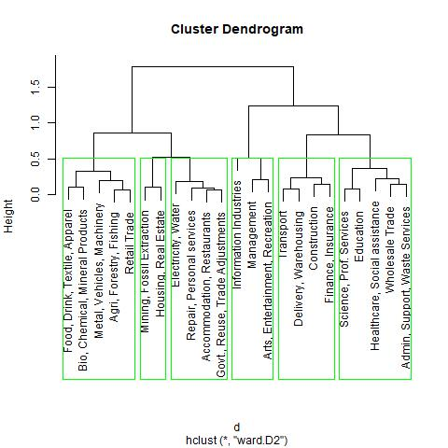
 | agg_code | agg_desc | Structures | Equipment | IPP | Group
11 | 31 | Food, Drink, Textile, Apparel | 59% | 20% | 21% | 10
5 | 32 | Bio, Chemical, Mineral Products | 53% | 20% | 27% | 11
17 | 33 | Metal, Vehicles, Machinery | 44% | 33% | 23% | 12
3 | 11 | Agri, Forestry, Fishing | 55% | 34% | 11% | 13
20 | 4X | Retail Trade | 51% | 38% | 11% | 14
18 | 21 | Mining, Fossil Extraction | 96% | 3% | 1% | 20
14 | 53 | Housing, Real Estate | 89% | 10% | 1% | 21
9 | 22 | Electricity, Water | 79% | 18% | 3% | 30
19 | 81 | Repair, Personal services | 65% | 27% | 8% | 31
1 | 72 | Accommodation, Restaurants | 71% | 23% | 6% | 32
12 | S0 | Govt., Reuse, Trade Adjustments | 70% | 27% | 3% | 33
15 | 51 | Information Industries | 20% | 8% | 73% | 41
16 | 55 | Management | 50% | 13% | 37% | 42
4 | 71 | Arts, Entertainment, Recreation | 36% | 14% | 50% | 43
22 | 48 | Transport | 41% | 56% | 3% | 51
7 | 49 | Delivery, Warehousing | 36% | 56% | 8% | 52
6 | 23 | Construction | 26% | 70% | 5% | 53
10 | 52 | Finance, Insurance | 29% | 60% | 11% | 54
21 | 54 | Science, Prof. Services | 23% | 34% | 44% | 61
8 | 61 | Education | 17% | 38% | 45% | 62
13 | 62 | Healthcare, Social assistance | 18% | 56% | 26% | 63
23 | 42 | Wholesale Trade | 31% | 46% | 24% | 64 | The results are often as expected: IPP comprise a large share of information and arts industries; structures dominate housing and extraction industries; and equipment makes up the majority of construction, transport, and delivery industries. Other industries require a greater mixture of capital inputs, such as science and professional services which is more evenly split.
2 | 56 | Admin, Support, Waste Services | 26% | 40% | 34% | 65

